Canadian mortgage
REAL ESTATE ANALYSIS & MARKETING SOFTWARE
Click to learn more

Canadian Mortgage Calculation

Loan amount: | $100,000.00
Interest rate (annual): | 6%
Amortization: | 25 | years

Formula
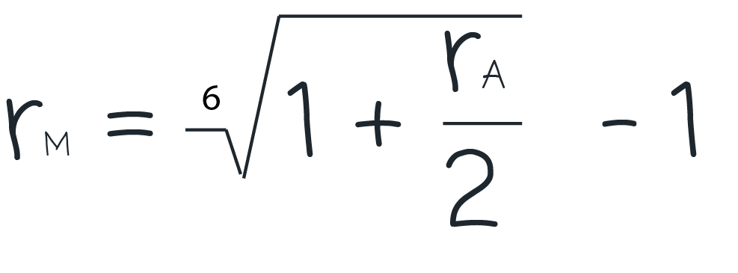

Calculation
Effective monthly interest rate: | 0.4939%
Monthly mortgage payment: | $639.81

Check more real estate definitions
http://zilculator.com/real-estate-analysis/

